Dashboard
PERFORMANCE DASHBOARD

zomato analysis

Average Cost for Two in India's Top Four Cities
Most served Cuisines
Restaurants By Price Range
 | Total
Afghani | 4
American | 12
Asian | 13
Assamese | 1
Bakery | 216
Bakery, Mithai | 6
Bengali | 5
Beverages | 54
Beverages, Fast Food | 15
Bihari | 3
Biryani | 54
Cafe | 293
Chinese | 343
Chinese, Seafood | 4
Chinese, Thai | 49
Continental | 21
Desserts | 52
Fast Food | 351
Fast Food, Desserts | 4
Finger Food | 48
Goan | 2
Gujarati | 3
Healthy Food | 15
Healthy Food, Beverages | 4
Healthy Food, Juices | 4
Hyderabadi | 2
Ice Cream | 74
Indian | 9
Italian | 41
Japanese | 11
Juices | 4
Kashmiri | 8
Kebab | 2
Kerala | 5
Korean | 5
Lebanese | 7
Maharashtrian | 6
Malaysian | 2
Mexican | 11
Mithai | 71
Modern Indian | 11
Mughlai | 103
Naga | 3
Nepalese | 3
North Eastern | 2
North Indian | 936
Parsi | 2
Pizza | 45
Portuguese, African | 4
Rajasthani | 4
...
 | 50 | 100 | 120 | 150 | 200 | 250 | 260 | 300 | 350 | 400 | 450 | 500
New Delhi | 20 | 187 | 2 | 162 | 304 | 175 | 1 | 313 | 130 | 204 | 115 | 146
 | Average | Excellent | Good | Not rated | Poor | Very Good
1 | 902 | 10 | 238 | 1013 | 26 | 31
2 | 281 | 8 | 178 | 148 | 10 | 58
3 | 49 | 14 | 81 | 11 | 3 | 55
4 | 29 | 15 | 40 | 5 |  | 32
 | 50 | 100 | 120 | 150 | 200 | 250 | 260 | 300 | 350 | 400 | 450 | 500
New Delhi | 20 | 187 | 2 | 162 | 304 | 175 | 1 | 313 | 130 | 204 | 115 | 146

 | Total
Average | 1261
Excellent | 47
Good | 537
Not rated | 1177
Poor | 39
Very Good | 176
Maximum restaurants in city
 | Total
0 | 1177
2 | 2
2.1 | 2
2.2 | 7
2.3 | 10
2.4 | 18
2.5 | 21
2.6 | 49
2.7 | 69
2.8 | 98
2.9 | 151
3 | 205
3.1 | 206
3.2 | 176
3.3 | 140
3.4 | 146
3.5 | 143
3.6 | 123
3.7 | 112
3.8 | 91
3.9 | 68
4 | 49
4.1 | 48
4.2 | 29
4.3 | 30
4.4 | 20
4.5 | 17
4.6 | 9
4.7 | 8
4.8 | 2
4.9 | 11
Aggregate rating in restaurants
 | 50 | 100 | 120 | 150 | 200 | 250 | 260 | 300 | 350 | 400 | 450 | 500
New Delhi | 20 | 187 | 2 | 162 | 304 | 175 | 1 | 313 | 130 | 204 | 115 | 146
 | Total
Amritsar | 11
Auckland | 9
Bhopal | 10
Faridabad | 90
Ghaziabad | 13
Gurgaon | 367
Nashik | 13
New Delhi | 2140
Noida | 401
Puducherry | 9
 | 50 | 100 | 120 | 150 | 200 | 250 | 260 | 300 | 350 | 400 | 450 | 500
New Delhi | 20 | 187 | 2 | 162 | 304 | 175 | 1 | 313 | 130 | 204 | 115 | 146

Filters
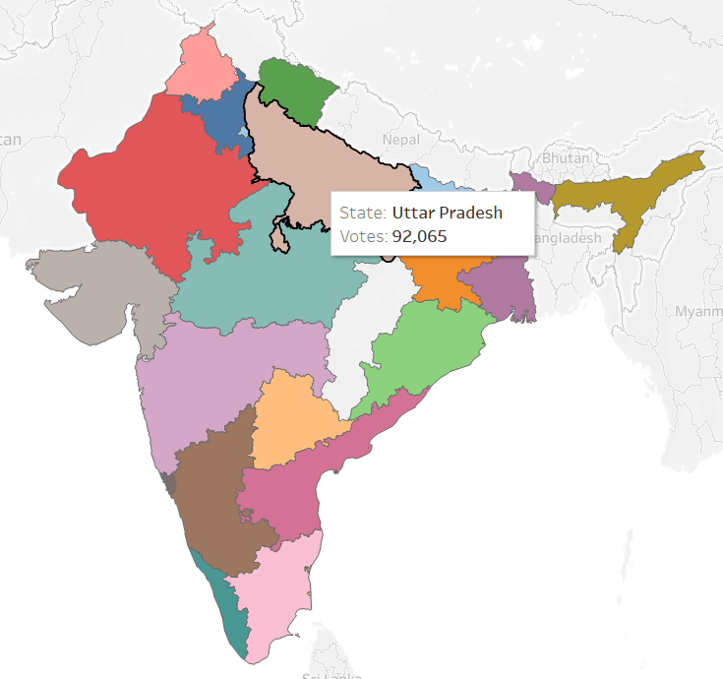
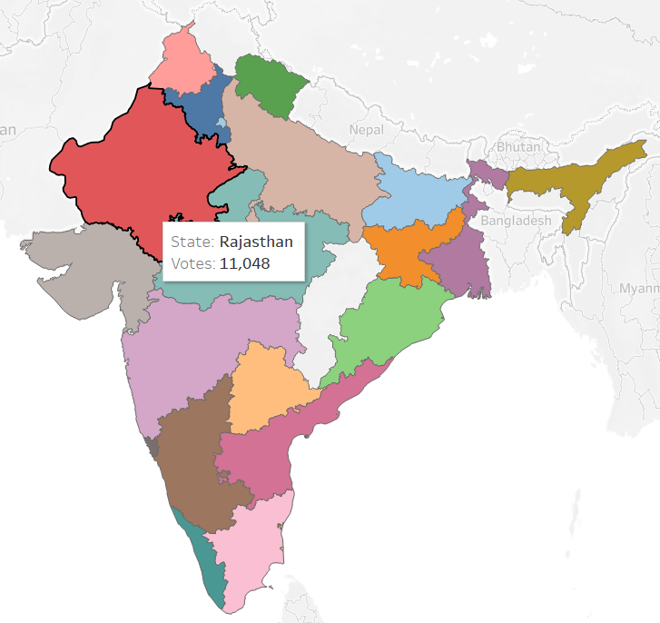
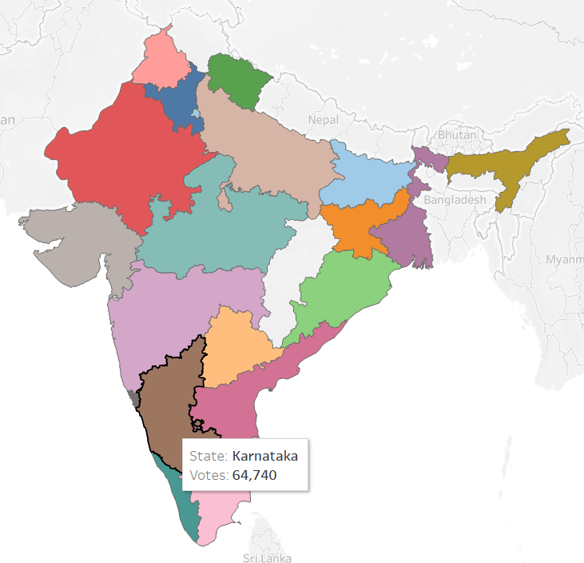

Filters

objective1
Proportion of rating texts for each type of Price range

 | Average | Excellent | Good | Not rated | Poor | Very Good
1 | 902 | 10 | 238 | 1013 | 26 | 31
2 | 281 | 8 | 178 | 148 | 10 | 58
3 | 49 | 14 | 81 | 11 | 3 | 55
4 | 29 | 15 | 40 | 5 |  | 32

objective2
Restaurants by Rating

Row Labels | Count of Restaurant Name
Average | 1261
Excellent | 47
Good | 537
Not rated | 1177
Poor | 39
Very Good | 176
Grand Total | 3237

objective3
Favorite Cuisine
Each restaurant has a different type of cuisine. From the distribution pattern of these cuisines, we can know the variation of favorite cuisine in each city.
Row Labels | Count of Restaurant ID
Afghani | 4
American | 12
Asian | 13
Assamese | 1
Bakery | 216
Bakery, Mithai | 6
Bengali | 5
Beverages | 54
Beverages, Fast Food | 15
Bihari | 3
Biryani | 54
Cafe | 293
Chinese | 343
Chinese, Seafood | 4
Chinese, Thai | 49
Continental | 21
Desserts | 52
Fast Food | 351
Fast Food, Desserts | 4
Finger Food | 48
Goan | 2
Gujarati | 3
Healthy Food | 15
Healthy Food, Beverages | 4
Healthy Food, Juices | 4
Hyderabadi | 2
Ice Cream | 74
Indian | 9
Italian | 41
Japanese | 11
Juices | 4
Kashmiri | 8
Kebab | 2
Kerala | 5
Korean | 5
Lebanese | 7
Maharashtrian | 6
Malaysian | 2
Mexican | 11
Mithai | 71
Modern Indian | 11
Mughlai | 103
Naga | 3
Nepalese | 3
North Eastern | 2
North Indian | 936
Parsi | 2
Pizza | 45
Portuguese, African | 4
Rajasthani | 4
Raw Meats | 3
South Indian | 111
Street Food | 149
Sushi, Asian | 3
Tea | 6
Thai | 10
Tibetan | 2
Turkish | 4
Vietnamese | 1
World Cuisine | 1
Grand Total | 3237

objective 4
Average Cost for Two

 | 50 | 100 | 120 | 150 | 200 | 250 | 260 | 300 | 350 | 400 | 450 | 500
New Delhi | 20 | 187 | 2 | 162 | 304 | 175 | 1 | 313 | 130 | 204 | 115 | 146
 | 50 | 100 | 150 | 200 | 250 | 300 | 350 | 400 | 450 | 500 | 550 | 600
Noida | 1 | 23 | 24 | 63 | 29 | 65 | 25 | 45 | 25 | 29 | 4 | 16
Row Labels | Count of Restaurant ID
Amritsar | 11
Auckland | 9
Bhopal | 10
Faridabad | 90
Ghaziabad | 13
Gurgaon | 367
Nashik | 13
New Delhi | 2140
Noida | 401
Puducherry | 9
Grand Total | 3063

 | 100 | 150 | 200 | 250 | 300 | 350 | 400 | 450 | 500 | 550 | 600 | 650
Gurgaon | 6 | 27 | 51 | 16 | 39 | 15 | 36 | 17 | 33 | 13 | 24 | 11
 | 100 | 150 | 200 | 250 | 300 | 350 | 400 | 450 | 500 | 550 | 600 | 700
Faridabad | 11 | 4 | 12 | 5 | 17 | 3 | 10 | 4 | 10 | 2 | 3 | 2

objective 5
Aggregate Rating

Row Labels | Count of Restaurant ID
0 | 1177
2 | 2
2.1 | 2
2.2 | 7
2.3 | 10
2.4 | 18
2.5 | 21
2.6 | 49
2.7 | 69
2.8 | 98
2.9 | 151
3 | 205
3.1 | 206
3.2 | 176
3.3 | 140
3.4 | 146
3.5 | 143
3.6 | 123
3.7 | 112
3.8 | 91
3.9 | 68
4 | 49
4.1 | 48
4.2 | 29
4.3 | 30
4.4 | 20
4.5 | 17
4.6 | 9
4.7 | 8
4.8 | 2
4.9 | 11
Grand Total | 3237

maps
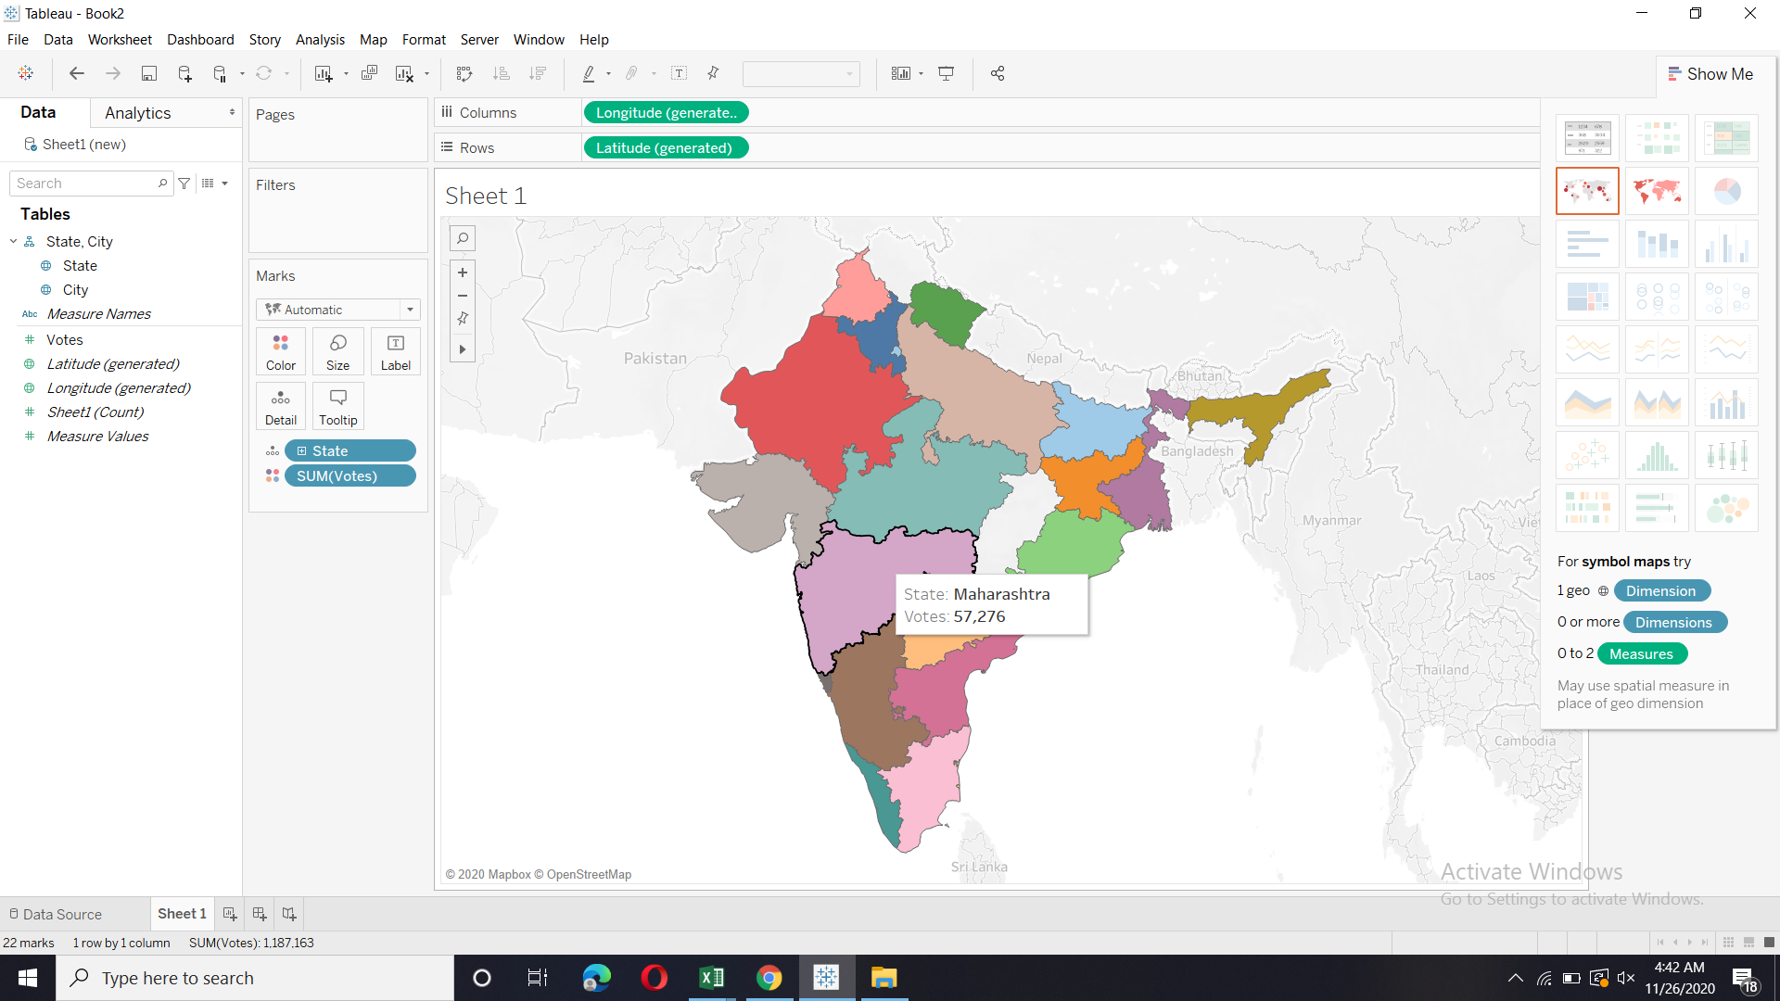
State | City | Votes
Uttar Pradesh | Agra | 140
Uttar Pradesh | Agra | 71
Uttar Pradesh | Agra | 94
Uttar Pradesh | Agra | 87
Uttar Pradesh | Agra | 177
Uttar Pradesh | Agra | 45
Uttar Pradesh | Agra | 133
Uttar Pradesh | Agra | 41
Uttar Pradesh | Agra | 59
Uttar Pradesh | Agra | 46
Uttar Pradesh | Agra | 103
Uttar Pradesh | Agra | 121
Uttar Pradesh | Agra | 70
Uttar Pradesh | Agra | 77
Uttar Pradesh | Agra | 57
Uttar Pradesh | Agra | 98
Uttar Pradesh | Agra | 175
Uttar Pradesh | Agra | 134
Uttar Pradesh | Agra | 166
Uttar Pradesh | Agra | 168
Gujarat | Ahmedabad | 1582
Gujarat | Ahmedabad | 1315
Gujarat | Ahmedabad | 217
Gujarat | Ahmedabad | 769
Gujarat | Ahmedabad | 731
Gujarat | Ahmedabad | 113
Gujarat | Ahmedabad | 944
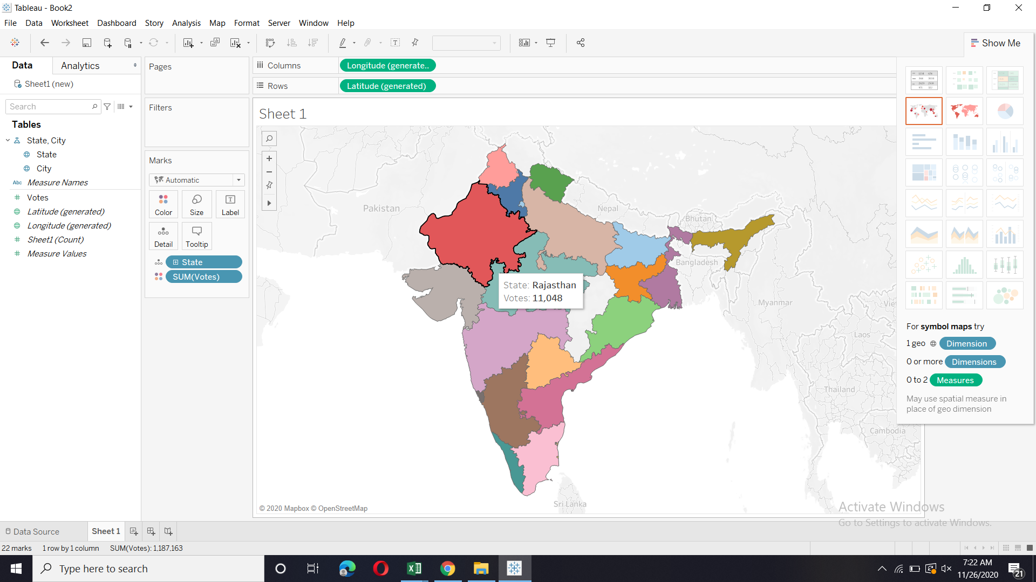
Gujarat | Ahmedabad | 63
Gujarat | Ahmedabad | 375
Gujarat | Ahmedabad | 166
Gujarat | Ahmedabad | 697
Gujarat | Ahmedabad | 325
Gujarat | Ahmedabad | 432
Gujarat | Ahmedabad | 744
Gujarat | Ahmedabad | 404
Gujarat | Ahmedabad | 317
Gujarat | Ahmedabad | 1138
Gujarat | Ahmedabad | 1041
Gujarat | Ahmedabad | 192
Gujarat | Ahmedabad | 166
Gujarat | Ahmedabad | 535
Uttar Pradesh | Allahabad | 57
Uttar Pradesh | Allahabad | 76
Uttar Pradesh | Allahabad | 51
Uttar Pradesh | Allahabad | 99
Uttar Pradesh | Allahabad | 83
Uttar Pradesh | Allahabad | 18
Uttar Pradesh | Allahabad | 58
Uttar Pradesh | Allahabad | 53
Uttar Pradesh | Allahabad | 6
Uttar Pradesh | Allahabad | 35
Uttar Pradesh | Allahabad | 32
Uttar Pradesh | Allahabad | 151
Uttar Pradesh | Allahabad | 49
Uttar Pradesh | Allahabad | 106
Uttar Pradesh | Allahabad | 59
Uttar Pradesh | Allahabad | 105
Uttar Pradesh | Allahabad | 105
Uttar Pradesh | Allahabad | 57
Uttar Pradesh | Allahabad | 134
Uttar Pradesh | Allahabad | 58
Punjab | Amritsar | 345
Punjab | Amritsar | 151
Punjab | Amritsar | 52
Punjab | Amritsar | 122
Punjab | Amritsar | 56
Punjab | Amritsar | 91
Punjab | Amritsar | 26
Punjab | Amritsar | 98
Punjab | Amritsar | 111
Punjab | Amritsar | 51
Punjab | Amritsar | 206
Punjab | Amritsar | 44
Punjab | Amritsar | 94
Punjab | Amritsar | 461
Punjab | Amritsar | 276
Punjab | Amritsar | 71
Punjab | Amritsar | 104
Punjab | Amritsar | 878
Punjab | Amritsar | 192
Punjab | Amritsar | 96
Punjab | Amritsar | 140
Maharashtra | Aurangabad | 240
Maharashtra | Aurangabad | 65
Maharashtra | Aurangabad | 63
Maharashtra | Aurangabad | 19
Maharashtra | Aurangabad | 46
Maharashtra | Aurangabad | 75
Maharashtra | Aurangabad | 94
Maharashtra | Aurangabad | 47
Maharashtra | Aurangabad | 71
Maharashtra | Aurangabad | 73
Maharashtra | Aurangabad | 21
Maharashtra | Aurangabad | 46
Maharashtra | Aurangabad | 45
Maharashtra | Aurangabad | 34
Maharashtra | Aurangabad | 89
Maharashtra | Aurangabad | 8
Maharashtra | Aurangabad | 39
Maharashtra | Aurangabad | 74
Maharashtra | Aurangabad | 76
Maharashtra | Aurangabad | 71
Karnataka | Bangalore | 2416
Karnataka | Bangalore | 2369
Karnataka | Bangalore | 10934
Karnataka | Bangalore | 1354
Karnataka | Bangalore | 231
Karnataka | Bangalore | 3533
Karnataka | Bangalore | 1413
Karnataka | Bangalore | 781
Karnataka | Bangalore | 276
Karnataka | Bangalore | 9667
Karnataka | Bangalore | 5385
Karnataka | Bangalore | 753
Karnataka | Bangalore | 1288
Karnataka | Bangalore | 6907
Karnataka | Bangalore | 983
Karnataka | Bangalore | 627
Karnataka | Bangalore | 334
Karnataka | Bangalore | 5705
Karnataka | Bangalore | 405
Karnataka | Bangalore | 754
Madhya Pradesh | Bhopal | 51
Madhya Pradesh | Bhopal | 63
Madhya Pradesh | Bhopal | 427
Madhya Pradesh | Bhopal | 126
Madhya Pradesh | Bhopal | 223
Madhya Pradesh | Bhopal | 257
Madhya Pradesh | Bhopal | 103
Madhya Pradesh | Bhopal | 118
Madhya Pradesh | Bhopal | 98
Madhya Pradesh | Bhopal | 33
Madhya Pradesh | Bhopal | 175
Madhya Pradesh | Bhopal | 111
Madhya Pradesh | Bhopal | 20
Madhya Pradesh | Bhopal | 103
Madhya Pradesh | Bhopal | 243
Madhya Pradesh | Bhopal | 238
Madhya Pradesh | Bhopal | 128
Madhya Pradesh | Bhopal | 161
Madhya Pradesh | Bhopal | 79
Madhya Pradesh | Bhopal | 120
Orissa | Bhubaneshwar | 289
Orissa | Bhubaneshwar | 379
Orissa | Bhubaneshwar | 154
Orissa | Bhubaneshwar | 145
Orissa | Bhubaneshwar | 247
Orissa | Bhubaneshwar | 145
Orissa | Bhubaneshwar | 118
Orissa | Bhubaneshwar | 256
Orissa | Bhubaneshwar | 173
Orissa | Bhubaneshwar | 424
Orissa | Bhubaneshwar | 338
Orissa | Bhubaneshwar | 228
Orissa | Bhubaneshwar | 253
Orissa | Bhubaneshwar | 90
Orissa | Bhubaneshwar | 197
Orissa | Bhubaneshwar | 69
Orissa | Bhubaneshwar | 199
Orissa | Bhubaneshwar | 56
Orissa | Bhubaneshwar | 49
Orissa | Bhubaneshwar | 345
Orissa | Bhubaneshwar | 89
Punjab | Chandigarh | 665
Punjab | Chandigarh | 676
Punjab | Chandigarh | 970
Punjab | Chandigarh | 300
Punjab | Chandigarh | 428
Punjab | Chandigarh | 1022
Punjab | Chandigarh | 1450
Punjab | Chandigarh | 228
Punjab | Chandigarh | 982
Haryana | Chandigarh | 502
Haryana | Chandigarh | 698
Haryana | Chandigarh | 397
Haryana | Chandigarh | 265
Haryana | Chandigarh | 252
Haryana | Chandigarh | 86
Haryana | Chandigarh | 817
Haryana | Chandigarh | 249
Haryana | Chandigarh | 356
Tamil Nadu | Chennai | 1810
Tamil Nadu | Chennai | 519
Tamil Nadu | Chennai | 1504
Tamil Nadu | Chennai | 841
Tamil Nadu | Chennai | 1262
Tamil Nadu | Chennai | 191
Tamil Nadu | Chennai | 1510
Tamil Nadu | Chennai | 1004
Tamil Nadu | Chennai | 1820
Tamil Nadu | Chennai | 1753
Tamil Nadu | Chennai | 1714
Tamil Nadu | Chennai | 1317
Tamil Nadu | Chennai | 1607
Tamil Nadu | Chennai | 645
Tamil Nadu | Chennai | 742
Tamil Nadu | Chennai | 1210
Tamil Nadu | Chennai | 3848
Tamil Nadu | Chennai | 859
Tamil Nadu | Chennai | 1267
Tamil Nadu | Chennai | 2272
Tamil Nadu | Coimbatore | 202
Tamil Nadu | Coimbatore | 318
Tamil Nadu | Coimbatore | 124
Tamil Nadu | Coimbatore | 274
Tamil Nadu | Coimbatore | 147
Tamil Nadu | Coimbatore | 243
Tamil Nadu | Coimbatore | 24
Tamil Nadu | Coimbatore | 380
Tamil Nadu | Coimbatore | 221
Tamil Nadu | Coimbatore | 85
Tamil Nadu | Coimbatore | 40
Tamil Nadu | Coimbatore | 132
Tamil Nadu | Coimbatore | 203
Tamil Nadu | Coimbatore | 215
Tamil Nadu | Coimbatore | 225
Tamil Nadu | Coimbatore | 299
Tamil Nadu | Coimbatore | 200
Tamil Nadu | Coimbatore | 221
Tamil Nadu | Coimbatore | 161
Tamil Nadu | Coimbatore | 505
Uttarakhand | Dehradun | 102
Uttarakhand | Dehradun | 115
Uttarakhand | Dehradun | 141
Uttarakhand | Dehradun | 173
Uttarakhand | Dehradun | 406
Uttarakhand | Dehradun | 50
Uttarakhand | Dehradun | 63
Uttarakhand | Dehradun | 98
Uttarakhand | Dehradun | 230
Uttarakhand | Dehradun | 94
Uttarakhand | Dehradun | 64
Uttarakhand | Dehradun | 131
Uttarakhand | Dehradun | 101
Uttarakhand | Dehradun | 121
Uttarakhand | Dehradun | 39
Uttarakhand | Dehradun | 66
Uttarakhand | Dehradun | 175
Uttarakhand | Dehradun | 104
Uttarakhand | Dehradun | 68
Uttarakhand | Dehradun | 89
Haryana | Faridabad | 4
Haryana | Faridabad | 16
Haryana | Faridabad | 8
Haryana | Faridabad | 8
Haryana | Faridabad | 7
Haryana | Faridabad | 4
Haryana | Faridabad | 1
Haryana | Faridabad | 3
Haryana | Faridabad | 3
Haryana | Faridabad | 0
Haryana | Faridabad | 4
Haryana | Faridabad | 7
Haryana | Faridabad | 11
Haryana | Faridabad | 1
Haryana | Faridabad | 0
Haryana | Faridabad | 0
Haryana | Faridabad | 49
Haryana | Faridabad | 58
Haryana | Faridabad | 233
Haryana | Faridabad | 508
Haryana | Faridabad | 98
Haryana | Faridabad | 59
Haryana | Faridabad | 0
Haryana | Faridabad | 1
Haryana | Faridabad | 2
Haryana | Faridabad | 57
Haryana | Faridabad | 299
Haryana | Faridabad | 239
Haryana | Faridabad | 16
Haryana | Faridabad | 16
Haryana | Faridabad | 48
Haryana | Faridabad | 25
Haryana | Faridabad | 3
Haryana | Faridabad | 12
Haryana | Faridabad | 2
Haryana | Faridabad | 0
Haryana | Faridabad | 0
Haryana | Faridabad | 0
Haryana | Faridabad | 2
Haryana | Faridabad | 3
Haryana | Faridabad | 0
Haryana | Faridabad | 0
Haryana | Faridabad | 0
Haryana | Faridabad | 0
Haryana | Faridabad | 15
Haryana | Faridabad | 19
Haryana | Faridabad | 8
Haryana | Faridabad | 0
Haryana | Faridabad | 20
Haryana | Faridabad | 11
Haryana | Faridabad | 11
Haryana | Faridabad | 7
Haryana | Faridabad | 13
Haryana | Faridabad | 0
Haryana | Faridabad | 3
Haryana | Faridabad | 0
Haryana | Faridabad | 25
Haryana | Faridabad | 22
Haryana | Faridabad | 26
Haryana | Faridabad | 16
Haryana | Faridabad | 7
Haryana | Faridabad | 28
Haryana | Faridabad | 0
Haryana | Faridabad | 0
Haryana | Faridabad | 0
Haryana | Faridabad | 31
Haryana | Faridabad | 70
Haryana | Faridabad | 67
Haryana | Faridabad | 35
Haryana | Faridabad | 22
Haryana | Faridabad | 17
Haryana | Faridabad | 39
Haryana | Faridabad | 35
Haryana | Faridabad | 35
Haryana | Faridabad | 32
Haryana | Faridabad | 14
Haryana | Faridabad | 17
Haryana | Faridabad | 35
Haryana | Faridabad | 799
Haryana | Faridabad | 62
Haryana | Faridabad | 24
Haryana | Faridabad | 134
Haryana | Faridabad | 26
Haryana | Faridabad | 93
Haryana | Faridabad | 280
Haryana | Faridabad | 70
Haryana | Faridabad | 31
Haryana | Faridabad | 25
Haryana | Faridabad | 18
Haryana | Faridabad | 27
Haryana | Faridabad | 27
Haryana | Faridabad | 39
Haryana | Faridabad | 126
Haryana | Faridabad | 75
Haryana | Faridabad | 143
Haryana | Faridabad | 153
Haryana | Faridabad | 43
Haryana | Faridabad | 4
Haryana | Faridabad | 25
Haryana | Faridabad | 26
Haryana | Faridabad | 4
Haryana | Faridabad | 22
Haryana | Faridabad | 14
Haryana | Faridabad | 8
Haryana | Faridabad | 8
Haryana | Faridabad | 0
Haryana | Faridabad | 0
Haryana | Faridabad | 0
Haryana | Faridabad | 0
Haryana | Faridabad | 2
Haryana | Faridabad | 0
Haryana | Faridabad | 0
Haryana | Faridabad | 0
Haryana | Faridabad | 20
Haryana | Faridabad | 39
Haryana | Faridabad | 56
Haryana | Faridabad | 43
Haryana | Faridabad | 9
Haryana | Faridabad | 20
Haryana | Faridabad | 41
Haryana | Faridabad | 18
Haryana | Faridabad | 76
Haryana | Faridabad | 1
Haryana | Faridabad | 6
Haryana | Faridabad | 219
Haryana | Faridabad | 11
Haryana | Faridabad | 12
Haryana | Faridabad | 13
Haryana | Faridabad | 7
Haryana | Faridabad | 1
Haryana | Faridabad | 0
Haryana | Faridabad | 1
Haryana | Faridabad | 3
Haryana | Faridabad | 0
Haryana | Faridabad | 1
Haryana | Faridabad | 3
Haryana | Faridabad | 2
Haryana | Faridabad | 0
Haryana | Faridabad | 0
Haryana | Faridabad | 15
Haryana | Faridabad | 5
Haryana | Faridabad | 0
Haryana | Faridabad | 0
Haryana | Faridabad | 9
Haryana | Faridabad | 3
Haryana | Faridabad | 2
Haryana | Faridabad | 7
Haryana | Faridabad | 9
Haryana | Faridabad | 4
Haryana | Faridabad | 1
Haryana | Faridabad | 0
Haryana | Faridabad | 0
Haryana | Faridabad | 2
Haryana | Faridabad | 1
Haryana | Faridabad | 1
Haryana | Faridabad | 28
Haryana | Faridabad | 29
Haryana | Faridabad | 0
Haryana | Faridabad | 1
Haryana | Faridabad | 0
Haryana | Faridabad | 0
Haryana | Faridabad | 6
Haryana | Faridabad | 12
Haryana | Faridabad | 19
Haryana | Faridabad | 14
Haryana | Faridabad | 11
Haryana | Faridabad | 70
Haryana | Faridabad | 18
Haryana | Faridabad | 14
Haryana | Faridabad | 48
Haryana | Faridabad | 52
Haryana | Faridabad | 1
Haryana | Faridabad | 0
Haryana | Faridabad | 0
Haryana | Faridabad | 2
Haryana | Faridabad | 0
Haryana | Faridabad | 0
Haryana | Faridabad | 1
Haryana | Faridabad | 0
Haryana | Faridabad | 0
Haryana | Faridabad | 0
Haryana | Faridabad | 4
Haryana | Faridabad | 3
Haryana | Faridabad | 0
Haryana | Faridabad | 0
Haryana | Faridabad | 1
Haryana | Faridabad | 0
Haryana | Faridabad | 10
Haryana | Faridabad | 5
Haryana | Faridabad | 4
Haryana | Faridabad | 4
Haryana | Faridabad | 0
Haryana | Faridabad | 0
Haryana | Faridabad | 1
Haryana | Faridabad | 3
Haryana | Faridabad | 2
Haryana | Faridabad | 0
Haryana | Faridabad | 0
Haryana | Faridabad | 47
Haryana | Faridabad | 79
Haryana | Faridabad | 29
Haryana | Faridabad | 1
Haryana | Faridabad | 0
Haryana | Faridabad | 17
Haryana | Faridabad | 9
Haryana | Faridabad | 7
Haryana | Faridabad | 5
Haryana | Faridabad | 8
Haryana | Faridabad | 15
Haryana | Faridabad | 16
Haryana | Faridabad | 4
Haryana | Faridabad | 1
Haryana | Faridabad | 10
Haryana | Faridabad | 9
Haryana | Faridabad | 24
Haryana | Faridabad | 19
Haryana | Faridabad | 8
Haryana | Faridabad | 8
Haryana | Faridabad | 39
Haryana | Faridabad | 10
Haryana | Faridabad | 17
Haryana | Faridabad | 37
Haryana | Faridabad | 33
Haryana | Faridabad | 9
Haryana | Faridabad | 3
Haryana | Faridabad | 2
Haryana | Faridabad | 1
Haryana | Faridabad | 0
Haryana | Faridabad | 0
Haryana | Faridabad | 4
Haryana | Faridabad | 14
Haryana | Faridabad | 13
Haryana | Faridabad | 5
Haryana | Faridabad | 12
Haryana | Faridabad | 8
Haryana | Faridabad | 7
Haryana | Faridabad | 18
Haryana | Faridabad | 22
Haryana | Faridabad | 4
Haryana | Faridabad | 0
Haryana | Faridabad | 0
Haryana | Faridabad | 0
Haryana | Faridabad | 0
Haryana | Faridabad | 3
Haryana | Faridabad | 3
Haryana | Faridabad | 0
Haryana | Faridabad | 2
Haryana | Faridabad | 1
Haryana | Faridabad | 10
Haryana | Faridabad | 18
Haryana | Faridabad | 56
Uttar Pradesh | Ghaziabad | 14
Uttar Pradesh | Ghaziabad | 6
Uttar Pradesh | Ghaziabad | 161
Uttar Pradesh | Ghaziabad | 52
Uttar Pradesh | Ghaziabad | 1
Uttar Pradesh | Ghaziabad | 0
Uttar Pradesh | Ghaziabad | 184
Uttar Pradesh | Ghaziabad | 33
Uttar Pradesh | Ghaziabad | 27
Uttar Pradesh | Ghaziabad | 327
Uttar Pradesh | Ghaziabad | 63
Uttar Pradesh | Ghaziabad | 16
Uttar Pradesh | Ghaziabad | 92
Uttar Pradesh | Ghaziabad | 60
Uttar Pradesh | Ghaziabad | 17
Uttar Pradesh | Ghaziabad | 6
Uttar Pradesh | Ghaziabad | 14
Uttar Pradesh | Ghaziabad | 181
Uttar Pradesh | Ghaziabad | 150
Uttar Pradesh | Ghaziabad | 7
Uttar Pradesh | Ghaziabad | 252
Uttar Pradesh | Ghaziabad | 187
Uttar Pradesh | Ghaziabad | 322
Uttar Pradesh | Ghaziabad | 114
Uttar Pradesh | Ghaziabad | 80
Goa | Goa | 280
Goa | Goa | 415
Goa | Goa | 646
Goa | Goa | 1681
Goa | Goa | 302
Goa | Goa | 911
Goa | Goa | 2191
Goa | Goa | 856
Goa | Goa | 1115
Goa | Goa | 1221
Goa | Goa | 918
Goa | Goa | 601
Goa | Goa | 414
Goa | Goa | 555
Goa | Goa | 516
Goa | Goa | 840
Goa | Goa | 681
Goa | Goa | 265
Goa | Goa | 323
Goa | Goa | 367
Haryana | Gurgaon | 16
Haryana | Gurgaon | 80
Haryana | Gurgaon | 1887
Haryana | Gurgaon | 802
Haryana | Gurgaon | 4
Haryana | Gurgaon | 5
Haryana | Gurgaon | 10
Haryana | Gurgaon | 2
Haryana | Gurgaon | 57
Haryana | Gurgaon | 4
Haryana | Gurgaon | 4
Haryana | Gurgaon | 0
Haryana | Gurgaon | 0
Haryana | Gurgaon | 2
Haryana | Gurgaon | 1
Haryana | Gurgaon | 2
Haryana | Gurgaon | 1
Haryana | Gurgaon | 0
Haryana | Gurgaon | 1
Haryana | Gurgaon | 0
Haryana | Gurgaon | 0
Haryana | Gurgaon | 1
Haryana | Gurgaon | 0
Haryana | Gurgaon | 1
Haryana | Gurgaon | 0
Haryana | Gurgaon | 0
Haryana | Gurgaon | 3
Haryana | Gurgaon | 13
Haryana | Gurgaon | 15
Haryana | Gurgaon | 415
Haryana | Gurgaon | 36
Haryana | Gurgaon | 104
Haryana | Gurgaon | 70
Haryana | Gurgaon | 218
Haryana | Gurgaon | 225
Haryana | Gurgaon | 150
Haryana | Gurgaon | 184
Haryana | Gurgaon | 146
Haryana | Gurgaon | 33
Haryana | Gurgaon | 48
Haryana | Gurgaon | 91
Haryana | Gurgaon | 7
Haryana | Gurgaon | 37
Haryana | Gurgaon | 32
Haryana | Gurgaon | 19
Haryana | Gurgaon | 6
Haryana | Gurgaon | 3
Haryana | Gurgaon | 231
Haryana | Gurgaon | 364
Haryana | Gurgaon | 127
Haryana | Gurgaon | 351
Haryana | Gurgaon | 162
Haryana | Gurgaon | 248
Haryana | Gurgaon | 144
Haryana | Gurgaon | 214
Haryana | Gurgaon | 181
Haryana | Gurgaon | 131
Haryana | Gurgaon | 191
Haryana | Gurgaon | 793
Haryana | Gurgaon | 563
Haryana | Gurgaon | 177
Haryana | Gurgaon | 407
Haryana | Gurgaon | 647
Haryana | Gurgaon | 503
Haryana | Gurgaon | 980
Haryana | Gurgaon | 544
Haryana | Gurgaon | 455
Haryana | Gurgaon | 230
Haryana | Gurgaon | 701
Haryana | Gurgaon | 313
Haryana | Gurgaon | 625
Haryana | Gurgaon | 425
Haryana | Gurgaon | 734
Haryana | Gurgaon | 706
Haryana | Gurgaon | 1490
Haryana | Gurgaon | 870
Haryana | Gurgaon | 1065
Haryana | Gurgaon | 365
Haryana | Gurgaon | 384
Haryana | Gurgaon | 622
Haryana | Gurgaon | 560
Haryana | Gurgaon | 1046
Haryana | Gurgaon | 176
Haryana | Gurgaon | 173
Haryana | Gurgaon | 227
Haryana | Gurgaon | 296
Haryana | Gurgaon | 2412
Haryana | Gurgaon | 1840
Haryana | Gurgaon | 716
Haryana | Gurgaon | 199
Haryana | Gurgaon | 1658
Haryana | Gurgaon | 4385
Haryana | Gurgaon | 1949
Haryana | Gurgaon | 219
Haryana | Gurgaon | 1595
Haryana | Gurgaon | 1730
Haryana | Gurgaon | 353
Haryana | Gurgaon | 2843
Haryana | Gurgaon | 209
Haryana | Gurgaon | 185
Haryana | Gurgaon | 393
Haryana | Gurgaon | 333
Haryana | Gurgaon | 125
Haryana | Gurgaon | 205
Haryana | Gurgaon | 294
Haryana | Gurgaon | 129
Haryana | Gurgaon | 125
Haryana | Gurgaon | 74
Haryana | Gurgaon | 217
Haryana | Gurgaon | 239
Haryana | Gurgaon | 317
Haryana | Gurgaon | 136
Haryana | Gurgaon | 426
Haryana | Gurgaon | 196
Haryana | Gurgaon | 173
Haryana | Gurgaon | 52
Haryana | Gurgaon | 189
Haryana | Gurgaon | 88
Haryana | Gurgaon | 154
Haryana | Gurgaon | 169
Haryana | Gurgaon | 230
Haryana | Gurgaon | 18
Haryana | Gurgaon | 27
Haryana | Gurgaon | 30
Haryana | Gurgaon | 49
Haryana | Gurgaon | 30
Haryana | Gurgaon | 27
Haryana | Gurgaon | 29
Haryana | Gurgaon | 13
Haryana | Gurgaon | 20
Haryana | Gurgaon | 46
Haryana | Gurgaon | 69
Haryana | Gurgaon | 490
Haryana | Gurgaon | 112
Haryana | Gurgaon | 3
Haryana | Gurgaon | 73
Haryana | Gurgaon | 65
Haryana | Gurgaon | 9
Haryana | Gurgaon | 184
Haryana | Gurgaon | 4
Haryana | Gurgaon | 4
Haryana | Gurgaon | 5
Haryana | Gurgaon | 84
Haryana | Gurgaon | 10
Haryana | Gurgaon | 15
Haryana | Gurgaon | 12
Haryana | Gurgaon | 35
Haryana | Gurgaon | 4
Haryana | Gurgaon | 54
Haryana | Gurgaon | 10
Haryana | Gurgaon | 7
Haryana | Gurgaon | 395
Haryana | Gurgaon | 360
Haryana | Gurgaon | 326
Haryana | Gurgaon | 403
Haryana | Gurgaon | 447
Haryana | Gurgaon | 56
Haryana | Gurgaon | 38
Haryana | Gurgaon | 124
Haryana | Gurgaon | 1
Haryana | Gurgaon | 3
Haryana | Gurgaon | 2
Haryana | Gurgaon | 1
Haryana | Gurgaon | 299
Haryana | Gurgaon | 0
Haryana | Gurgaon | 0
Haryana | Gurgaon | 0
Haryana | Gurgaon | 0
Haryana | Gurgaon | 0
Haryana | Gurgaon | 0
Haryana | Gurgaon | 1
Haryana | Gurgaon | 0
Haryana | Gurgaon | 0
Haryana | Gurgaon | 16
Haryana | Gurgaon | 13
Haryana | Gurgaon | 160
Haryana | Gurgaon | 36
Haryana | Gurgaon | 17
Haryana | Gurgaon | 11
Haryana | Gurgaon | 9
Haryana | Gurgaon | 26
Haryana | Gurgaon | 21
Haryana | Gurgaon | 25
Haryana | Gurgaon | 18
Haryana | Gurgaon | 7
Haryana | Gurgaon | 35
Haryana | Gurgaon | 18
Haryana | Gurgaon | 14
Haryana | Gurgaon | 15
Haryana | Gurgaon | 18
Haryana | Gurgaon | 29
Haryana | Gurgaon | 22
Haryana | Gurgaon | 14
Haryana | Gurgaon | 19
Haryana | Gurgaon | 83
Haryana | Gurgaon | 20
Haryana | Gurgaon | 19
Haryana | Gurgaon | 359
Haryana | Gurgaon | 51
Haryana | Gurgaon | 53
Haryana | Gurgaon | 71
Haryana | Gurgaon | 33
Haryana | Gurgaon | 19
Haryana | Gurgaon | 132
Haryana | Gurgaon | 74
Haryana | Gurgaon | 6
Haryana | Gurgaon | 42
Haryana | Gurgaon | 29
Haryana | Gurgaon | 14
Haryana | Gurgaon | 35
Haryana | Gurgaon | 45
Haryana | Gurgaon | 51
Haryana | Gurgaon | 22
Haryana | Gurgaon | 15
Haryana | Gurgaon | 12
Haryana | Gurgaon | 38
Haryana | Gurgaon | 15
Haryana | Gurgaon | 23
Haryana | Gurgaon | 23
Haryana | Gurgaon | 31
Haryana | Gurgaon | 223
Haryana | Gurgaon | 55
Haryana | Gurgaon | 319
Haryana | Gurgaon | 46
Haryana | Gurgaon | 54
Haryana | Gurgaon | 371
Haryana | Gurgaon | 26
Haryana | Gurgaon | 66
Haryana | Gurgaon | 28
Haryana | Gurgaon | 27
Haryana | Gurgaon | 29
Haryana | Gurgaon | 45
Haryana | Gurgaon | 19
Haryana | Gurgaon | 52
Haryana | Gurgaon | 60
Haryana | Gurgaon | 34
Haryana | Gurgaon | 136
Haryana | Gurgaon | 43
Haryana | Gurgaon | 34
Haryana | Gurgaon | 33
Haryana | Gurgaon | 162
Haryana | Gurgaon | 217
Haryana | Gurgaon | 195
Haryana | Gurgaon | 210
Haryana | Gurgaon | 165
Haryana | Gurgaon | 98
Haryana | Gurgaon | 115
Haryana | Gurgaon | 129
Haryana | Gurgaon | 164
Haryana | Gurgaon | 86
Haryana | Gurgaon | 269
Haryana | Gurgaon | 124
Haryana | Gurgaon | 61
Haryana | Gurgaon | 90
Haryana | Gurgaon | 213
Haryana | Gurgaon | 461
Haryana | Gurgaon | 93
Haryana | Gurgaon | 161
Haryana | Gurgaon | 255
Haryana | Gurgaon | 88
Haryana | Gurgaon | 134
Haryana | Gurgaon | 152
Haryana | Gurgaon | 151
Haryana | Gurgaon | 42
Haryana | Gurgaon | 39
Haryana | Gurgaon | 40
Haryana | Gurgaon | 93
Haryana | Gurgaon | 7
Haryana | Gurgaon | 129
Haryana | Gurgaon | 107
Haryana | Gurgaon | 59
Haryana | Gurgaon | 40
Haryana | Gurgaon | 296
Haryana | Gurgaon | 27
Haryana | Gurgaon | 259
Haryana | Gurgaon | 34
Haryana | Gurgaon | 120
Haryana | Gurgaon | 1193
Haryana | Gurgaon | 147
Haryana | Gurgaon | 227
Haryana | Gurgaon | 192
Haryana | Gurgaon | 83
Haryana | Gurgaon | 77
Haryana | Gurgaon | 229
Haryana | Gurgaon | 52
Haryana | Gurgaon | 58
Haryana | Gurgaon | 25
Haryana | Gurgaon | 452
Haryana | Gurgaon | 35
Haryana | Gurgaon | 134
Haryana | Gurgaon | 426
Haryana | Gurgaon | 108
Haryana | Gurgaon | 35
Haryana | Gurgaon | 26
Haryana | Gurgaon | 38
Haryana | Gurgaon | 86
Haryana | Gurgaon | 29
Haryana | Gurgaon | 43
Haryana | Gurgaon | 42
Haryana | Gurgaon | 111
Haryana | Gurgaon | 20
Haryana | Gurgaon | 24
Haryana | Gurgaon | 261
Haryana | Gurgaon | 2093
Haryana | Gurgaon | 38
Haryana | Gurgaon | 106
Haryana | Gurgaon | 31
Haryana | Gurgaon | 84
Haryana | Gurgaon | 165
Haryana | Gurgaon | 185
Haryana | Gurgaon | 48
Haryana | Gurgaon | 14
Haryana | Gurgaon | 37
Haryana | Gurgaon | 30
Haryana | Gurgaon | 336
Haryana | Gurgaon | 106
Haryana | Gurgaon | 50
Haryana | Gurgaon | 150
Haryana | Gurgaon | 416
Haryana | Gurgaon | 32
Haryana | Gurgaon | 110
Haryana | Gurgaon | 74
Haryana | Gurgaon | 81
Haryana | Gurgaon | 116
Haryana | Gurgaon | 36
Haryana | Gurgaon | 224
Haryana | Gurgaon | 148
Haryana | Gurgaon | 280
Haryana | Gurgaon | 67
Haryana | Gurgaon | 45
Haryana | Gurgaon | 27
Haryana | Gurgaon | 241
Haryana | Gurgaon | 146
Haryana | Gurgaon | 259
Haryana | Gurgaon | 20
Haryana | Gurgaon | 138
Haryana | Gurgaon | 101
Haryana | Gurgaon | 94
Haryana | Gurgaon | 7
Haryana | Gurgaon | 2
Haryana | Gurgaon | 15
Haryana | Gurgaon | 2
Haryana | Gurgaon | 6
Haryana | Gurgaon | 13
Haryana | Gurgaon | 260
Haryana | Gurgaon | 90
Haryana | Gurgaon | 144
Haryana | Gurgaon | 243
Haryana | Gurgaon | 121
Haryana | Gurgaon | 183
Haryana | Gurgaon | 647
Haryana | Gurgaon | 73
Haryana | Gurgaon | 0
Haryana | Gurgaon | 96
Haryana | Gurgaon | 41
Haryana | Gurgaon | 91
Haryana | Gurgaon | 70
Haryana | Gurgaon | 21
Haryana | Gurgaon | 364
Haryana | Gurgaon | 179
Haryana | Gurgaon | 23
Haryana | Gurgaon | 218
Haryana | Gurgaon | 38
Haryana | Gurgaon | 6
Haryana | Gurgaon | 19
Haryana | Gurgaon | 10
Haryana | Gurgaon | 137
Haryana | Gurgaon | 45
Haryana | Gurgaon | 22
Haryana | Gurgaon | 38
Haryana | Gurgaon | 21
Haryana | Gurgaon | 20
Haryana | Gurgaon | 15
Haryana | Gurgaon | 69
Haryana | Gurgaon | 75
Haryana | Gurgaon | 115
Haryana | Gurgaon | 39
Haryana | Gurgaon | 36
Haryana | Gurgaon | 61
Haryana | Gurgaon | 23
Haryana | Gurgaon | 82
Haryana | Gurgaon | 13
Haryana | Gurgaon | 283
Haryana | Gurgaon | 665
Haryana | Gurgaon | 69
Haryana | Gurgaon | 198
Haryana | Gurgaon | 57
Haryana | Gurgaon | 43
Haryana | Gurgaon | 31
Haryana | Gurgaon | 35
Haryana | Gurgaon | 246
Haryana | Gurgaon | 31
Haryana | Gurgaon | 240
Haryana | Gurgaon | 1902
Haryana | Gurgaon | 2806
Haryana | Gurgaon | 13
Haryana | Gurgaon | 5
Haryana | Gurgaon | 68
Haryana | Gurgaon | 120
Haryana | Gurgaon | 18
Haryana | Gurgaon | 66
Haryana | Gurgaon | 67
Haryana | Gurgaon | 40
Haryana | Gurgaon | 39
Haryana | Gurgaon | 19
Haryana | Gurgaon | 42
Haryana | Gurgaon | 234
Haryana | Gurgaon | 501
Haryana | Gurgaon | 61
Haryana | Gurgaon | 81
Haryana | Gurgaon | 118
Haryana | Gurgaon | 13
Haryana | Gurgaon | 26
Haryana | Gurgaon | 185
Haryana | Gurgaon | 27
Haryana | Gurgaon | 496
Haryana | Gurgaon | 55
Haryana | Gurgaon | 205
Haryana | Gurgaon | 730
Haryana | Gurgaon | 31
Haryana | Gurgaon | 468
Haryana | Gurgaon | 29
Haryana | Gurgaon | 90
Haryana | Gurgaon | 34
Haryana | Gurgaon | 62
Haryana | Gurgaon | 34
Haryana | Gurgaon | 165
Haryana | Gurgaon | 4
Haryana | Gurgaon | 4
Haryana | Gurgaon | 5
Haryana | Gurgaon | 18
Haryana | Gurgaon | 31
Haryana | Gurgaon | 7
Haryana | Gurgaon | 5
Haryana | Gurgaon | 27
Haryana | Gurgaon | 28
Haryana | Gurgaon | 4
Haryana | Gurgaon | 25
Haryana | Gurgaon | 12
Haryana | Gurgaon | 5
Haryana | Gurgaon | 25
Haryana | Gurgaon | 12
Haryana | Gurgaon | 6
Haryana | Gurgaon | 17
Haryana | Gurgaon | 13
Haryana | Gurgaon | 21
Haryana | Gurgaon | 60
Haryana | Gurgaon | 33
Haryana | Gurgaon | 11
Haryana | Gurgaon | 8
Haryana | Gurgaon | 25
Haryana | Gurgaon | 7
Haryana | Gurgaon | 4
Haryana | Gurgaon | 11
Haryana | Gurgaon | 10
Haryana | Gurgaon | 6
Haryana | Gurgaon | 12
Haryana | Gurgaon | 26
Haryana | Gurgaon | 15
Haryana | Gurgaon | 16
Haryana | Gurgaon | 31
Haryana | Gurgaon | 18
Haryana | Gurgaon | 25
Haryana | Gurgaon | 3
Haryana | Gurgaon | 3
Haryana | Gurgaon | 1
Haryana | Gurgaon | 1
Haryana | Gurgaon | 3
Haryana | Gurgaon | 93
Haryana | Gurgaon | 84
Haryana | Gurgaon | 112
Haryana | Gurgaon | 74
Haryana | Gurgaon | 12
Haryana | Gurgaon | 36
Haryana | Gurgaon | 101
Haryana | Gurgaon | 45
Haryana | Gurgaon | 81
Haryana | Gurgaon | 33
Haryana | Gurgaon | 37
Haryana | Gurgaon | 16
Haryana | Gurgaon | 14
Haryana | Gurgaon | 9
Haryana | Gurgaon | 19
Haryana | Gurgaon | 15
Haryana | Gurgaon | 18
Haryana | Gurgaon | 6
Haryana | Gurgaon | 4
Haryana | Gurgaon | 10
Haryana | Gurgaon | 4
Haryana | Gurgaon | 24
Haryana | Gurgaon | 11
Haryana | Gurgaon | 9
Haryana | Gurgaon | 4
Haryana | Gurgaon | 12
Haryana | Gurgaon | 17
Haryana | Gurgaon | 5
Haryana | Gurgaon | 1
Haryana | Gurgaon | 1
Haryana | Gurgaon | 2
Haryana | Gurgaon | 0
Haryana | Gurgaon | 0
Haryana | Gurgaon | 1
Haryana | Gurgaon | 0
Haryana | Gurgaon | 0
Haryana | Gurgaon | 1
Haryana | Gurgaon | 0
Haryana | Gurgaon | 0
Haryana | Gurgaon | 0
Haryana | Gurgaon | 0
Haryana | Gurgaon | 1
Haryana | Gurgaon | 0
Haryana | Gurgaon | 2
Haryana | Gurgaon | 0
Haryana | Gurgaon | 1
Haryana | Gurgaon | 2
Haryana | Gurgaon | 0
Haryana | Gurgaon | 0
Haryana | Gurgaon | 0
Haryana | Gurgaon | 1
Haryana | Gurgaon | 2
Haryana | Gurgaon | 2
Haryana | Gurgaon | 1
Haryana | Gurgaon | 0
Haryana | Gurgaon | 2
Haryana | Gurgaon | 3
Haryana | Gurgaon | 0
Haryana | Gurgaon | 0
Haryana | Gurgaon | 0
Haryana | Gurgaon | 1
Haryana | Gurgaon | 13
Haryana | Gurgaon | 20
Haryana | Gurgaon | 26
Haryana | Gurgaon | 176
Haryana | Gurgaon | 340
Haryana | Gurgaon | 21
Haryana | Gurgaon | 84
Haryana | Gurgaon | 41
Haryana | Gurgaon | 18
Haryana | Gurgaon | 10
Haryana | Gurgaon | 16
Haryana | Gurgaon | 61
Haryana | Gurgaon | 70
Haryana | Gurgaon | 16
Haryana | Gurgaon | 57
Haryana | Gurgaon | 33
Haryana | Gurgaon | 92
Haryana | Gurgaon | 22
Haryana | Gurgaon | 25
Haryana | Gurgaon | 71
Haryana | Gurgaon | 100
Haryana | Gurgaon | 32
Haryana | Gurgaon | 194
Haryana | Gurgaon | 15
Haryana | Gurgaon | 16
Haryana | Gurgaon | 315
Haryana | Gurgaon | 53
Haryana | Gurgaon | 4
Haryana | Gurgaon | 8
Haryana | Gurgaon | 1
Haryana | Gurgaon | 6
Haryana | Gurgaon | 4
Haryana | Gurgaon | 6
Haryana | Gurgaon | 4
Haryana | Gurgaon | 20
Haryana | Gurgaon | 20
Haryana | Gurgaon | 34
Haryana | Gurgaon | 36
Haryana | Gurgaon | 5
Haryana | Gurgaon | 41
Haryana | Gurgaon | 7
Haryana | Gurgaon | 7
Haryana | Gurgaon | 8
Haryana | Gurgaon | 10
Haryana | Gurgaon | 11
Haryana | Gurgaon | 21
Haryana | Gurgaon | 25
Haryana | Gurgaon | 19
Haryana | Gurgaon | 43
Haryana | Gurgaon | 18
Haryana | Gurgaon | 17
Haryana | Gurgaon | 69
Haryana | Gurgaon | 25
Haryana | Gurgaon | 52
Haryana | Gurgaon | 16
Haryana | Gurgaon | 5
Haryana | Gurgaon | 8
Haryana | Gurgaon | 9
Haryana | Gurgaon | 30
Haryana | Gurgaon | 34
Haryana | Gurgaon | 26
Haryana | Gurgaon | 13
Haryana | Gurgaon | 9
Haryana | Gurgaon | 21
Haryana | Gurgaon | 17
Haryana | Gurgaon | 32
Haryana | Gurgaon | 6
Haryana | Gurgaon | 70
Haryana | Gurgaon | 6
Haryana | Gurgaon | 5
Haryana | Gurgaon | 32
Haryana | Gurgaon | 64
Haryana | Gurgaon | 3
Haryana | Gurgaon | 2
Haryana | Gurgaon | 3
Haryana | Gurgaon | 3
Haryana | Gurgaon | 3
Haryana | Gurgaon | 2
Haryana | Gurgaon | 3
Haryana | Gurgaon | 23
Haryana | Gurgaon | 18
Haryana | Gurgaon | 26
Haryana | Gurgaon | 4
Haryana | Gurgaon | 6
Haryana | Gurgaon | 5
Haryana | Gurgaon | 10
Haryana | Gurgaon | 4
Haryana | Gurgaon | 12
Haryana | Gurgaon | 4
Haryana | Gurgaon | 14
Haryana | Gurgaon | 4
Haryana | Gurgaon | 36
Haryana | Gurgaon | 28
Haryana | Gurgaon | 256
Haryana | Gurgaon | 0
Haryana | Gurgaon | 0
Haryana | Gurgaon | 0
Haryana | Gurgaon | 0
Haryana | Gurgaon | 0
Haryana | Gurgaon | 0
Haryana | Gurgaon | 1
Haryana | Gurgaon | 2
Haryana | Gurgaon | 0
Haryana | Gurgaon | 0
Haryana | Gurgaon | 1
Haryana | Gurgaon | 0
Haryana | Gurgaon | 1
Haryana | Gurgaon | 0
Haryana | Gurgaon | 0
Haryana | Gurgaon | 2
Haryana | Gurgaon | 1
Haryana | Gurgaon | 0
Haryana | Gurgaon | 2
Haryana | Gurgaon | 0
Haryana | Gurgaon | 32
Haryana | Gurgaon | 8
Haryana | Gurgaon | 15
Haryana | Gurgaon | 40
Haryana | Gurgaon | 0
Haryana | Gurgaon | 0
Haryana | Gurgaon | 3
Haryana | Gurgaon | 4
Haryana | Gurgaon | 2
Haryana | Gurgaon | 0
Haryana | Gurgaon | 0
Haryana | Gurgaon | 0
Haryana | Gurgaon | 0
Haryana | Gurgaon | 0
Haryana | Gurgaon | 2
Haryana | Gurgaon | 0
Haryana | Gurgaon | 17
Haryana | Gurgaon | 8
Haryana | Gurgaon | 27
Haryana | Gurgaon | 13
Haryana | Gurgaon | 15
Haryana | Gurgaon | 53
Haryana | Gurgaon | 169
Haryana | Gurgaon | 25
Haryana | Gurgaon | 0
Haryana | Gurgaon | 0
Haryana | Gurgaon | 3
Haryana | Gurgaon | 2
Haryana | Gurgaon | 88
Haryana | Gurgaon | 563
Haryana | Gurgaon | 1022
Haryana | Gurgaon | 235
Haryana | Gurgaon | 586
Haryana | Gurgaon | 69
Haryana | Gurgaon | 245
Haryana | Gurgaon | 1478
Haryana | Gurgaon | 1365
Haryana | Gurgaon | 134
Haryana | Gurgaon | 966
Haryana | Gurgaon | 429
Haryana | Gurgaon | 146
Haryana | Gurgaon | 241
Haryana | Gurgaon | 853
Haryana | Gurgaon | 254
Haryana | Gurgaon | 1317
Haryana | Gurgaon | 187
Haryana | Gurgaon | 401
Haryana | Gurgaon | 302
Haryana | Gurgaon | 297
Haryana | Gurgaon | 280
Haryana | Gurgaon | 269
Haryana | Gurgaon | 289
Haryana | Gurgaon | 96
Haryana | Gurgaon | 322
Haryana | Gurgaon | 391
Haryana | Gurgaon | 569
Haryana | Gurgaon | 105
Haryana | Gurgaon | 3569
Haryana | Gurgaon | 208
Haryana | Gurgaon | 327
Haryana | Gurgaon | 226
Haryana | Gurgaon | 875
Haryana | Gurgaon | 1809
Haryana | Gurgaon | 56
Haryana | Gurgaon | 166
Haryana | Gurgaon | 146
Haryana | Gurgaon | 99
Haryana | Gurgaon | 242
Haryana | Gurgaon | 11
Haryana | Gurgaon | 73
Haryana | Gurgaon | 7
Haryana | Gurgaon | 23
Haryana | Gurgaon | 23
Haryana | Gurgaon | 7
Haryana | Gurgaon | 10
Haryana | Gurgaon | 5
Haryana | Gurgaon | 34
Haryana | Gurgaon | 7
Haryana | Gurgaon | 5
Haryana | Gurgaon | 14
Haryana | Gurgaon | 7
Haryana | Gurgaon | 8
Haryana | Gurgaon | 8
Haryana | Gurgaon | 7
Haryana | Gurgaon | 9
Haryana | Gurgaon | 52
Haryana | Gurgaon | 39
Haryana | Gurgaon | 9
Haryana | Gurgaon | 73
Haryana | Gurgaon | 76
Haryana | Gurgaon | 183
Haryana | Gurgaon | 142
Haryana | Gurgaon | 22
Haryana | Gurgaon | 144
Haryana | Gurgaon | 486
Haryana | Gurgaon | 104
Haryana | Gurgaon | 136
Haryana | Gurgaon | 3
Haryana | Gurgaon | 1
Haryana | Gurgaon | 0
Haryana | Gurgaon | 0
Haryana | Gurgaon | 13
Haryana | Gurgaon | 530
Haryana | Gurgaon | 6
Haryana | Gurgaon | 5
Haryana | Gurgaon | 0
Haryana | Gurgaon | 0
Haryana | Gurgaon | 3
Haryana | Gurgaon | 0
Haryana | Gurgaon | 0
Haryana | Gurgaon | 0
Haryana | Gurgaon | 0
Haryana | Gurgaon | 0
Haryana | Gurgaon | 0
Haryana | Gurgaon | 2
Haryana | Gurgaon | 0
Haryana | Gurgaon | 0
Haryana | Gurgaon | 1
Haryana | Gurgaon | 0
Haryana | Gurgaon | 0
Haryana | Gurgaon | 0
Haryana | Gurgaon | 0
Haryana | Gurgaon | 0
Haryana | Gurgaon | 174
Haryana | Gurgaon | 11
Haryana | Gurgaon | 176
Haryana | Gurgaon | 64
Haryana | Gurgaon | 41
Haryana | Gurgaon | 24
Haryana | Gurgaon | 10
Haryana | Gurgaon | 18
Haryana | Gurgaon | 59
Haryana | Gurgaon | 28
Haryana | Gurgaon | 74
Haryana | Gurgaon | 14
Haryana | Gurgaon | 50
Haryana | Gurgaon | 11
Haryana | Gurgaon | 10
Haryana | Gurgaon | 88
Haryana | Gurgaon | 427
Haryana | Gurgaon | 0
Haryana | Gurgaon | 3
Haryana | Gurgaon | 1
Haryana | Gurgaon | 3
Haryana | Gurgaon | 0
Haryana | Gurgaon | 0
Haryana | Gurgaon | 0
Haryana | Gurgaon | 1
Haryana | Gurgaon | 0
Haryana | Gurgaon | 1
Haryana | Gurgaon | 0
Haryana | Gurgaon | 1
Haryana | Gurgaon | 0
Haryana | Gurgaon | 0
Haryana | Gurgaon | 1
Haryana | Gurgaon | 0
Haryana | Gurgaon | 92
Haryana | Gurgaon | 16
Haryana | Gurgaon | 17
Haryana | Gurgaon | 3
Haryana | Gurgaon | 0
Haryana | Gurgaon | 233
Haryana | Gurgaon | 20
Haryana | Gurgaon | 6
Haryana | Gurgaon | 6
Haryana | Gurgaon | 6
Haryana | Gurgaon | 15
Haryana | Gurgaon | 4
Haryana | Gurgaon | 4
Haryana | Gurgaon | 20
Haryana | Gurgaon | 18
Haryana | Gurgaon | 18
Haryana | Gurgaon | 6
Haryana | Gurgaon | 7
Haryana | Gurgaon | 14
Haryana | Gurgaon | 4
Haryana | Gurgaon | 48
Haryana | Gurgaon | 9
Haryana | Gurgaon | 5
Haryana | Gurgaon | 33
Haryana | Gurgaon | 4
Haryana | Gurgaon | 37
Haryana | Gurgaon | 17
Haryana | Gurgaon | 8
Haryana | Gurgaon | 5
Haryana | Gurgaon | 6
Haryana | Gurgaon | 47
Haryana | Gurgaon | 46
Haryana | Gurgaon | 37
Haryana | Gurgaon | 46
Haryana | Gurgaon | 0
Haryana | Gurgaon | 0
Haryana | Gurgaon | 0
Haryana | Gurgaon | 1
Haryana | Gurgaon | 0
Haryana | Gurgaon | 1
Haryana | Gurgaon | 1
Haryana | Gurgaon | 1
Haryana | Gurgaon | 0
Haryana | Gurgaon | 0
Haryana | Gurgaon | 0
Haryana | Gurgaon | 0
Haryana | Gurgaon | 0
Haryana | Gurgaon | 0
Haryana | Gurgaon | 0
Haryana | Gurgaon | 0
Haryana | Gurgaon | 0
Haryana | Gurgaon | 3
Haryana | Gurgaon | 0
Haryana | Gurgaon | 2
Haryana | Gurgaon | 0
Haryana | Gurgaon | 0
Haryana | Gurgaon | 0
Haryana | Gurgaon | 1
Haryana | Gurgaon | 66
Haryana | Gurgaon | 46
Haryana | Gurgaon | 52
Haryana | Gurgaon | 12
Haryana | Gurgaon | 106
Haryana | Gurgaon | 22
Haryana | Gurgaon | 94
Haryana | Gurgaon | 16
Haryana | Gurgaon | 11
Haryana | Gurgaon | 16
Haryana | Gurgaon | 32
Haryana | Gurgaon | 27
Haryana | Gurgaon | 45
Haryana | Gurgaon | 148
Haryana | Gurgaon | 20
Haryana | Gurgaon | 13
Haryana | Gurgaon | 7
Haryana | Gurgaon | 3
Haryana | Gurgaon | 37
Haryana | Gurgaon | 64
Haryana | Gurgaon | 16
Haryana | Gurgaon | 28
Haryana | Gurgaon | 28
Haryana | Gurgaon | 398
Haryana | Gurgaon | 0
Haryana | Gurgaon | 0
Haryana | Gurgaon | 0
Haryana | Gurgaon | 0
Haryana | Gurgaon | 190
Haryana | Gurgaon | 65
Haryana | Gurgaon | 39
Haryana | Gurgaon | 20
Haryana | Gurgaon | 17
Haryana | Gurgaon | 21
Haryana | Gurgaon | 175
Haryana | Gurgaon | 138
Haryana | Gurgaon | 20
Haryana | Gurgaon | 51
Haryana | Gurgaon | 32
Haryana | Gurgaon | 57
Haryana | Gurgaon | 54
Haryana | Gurgaon | 41
Haryana | Gurgaon | 188
Haryana | Gurgaon | 68
Haryana | Gurgaon | 30
Haryana | Gurgaon | 58
Haryana | Gurgaon | 101
Haryana | Gurgaon | 16
Haryana | Gurgaon | 22
Haryana | Gurgaon | 83
Haryana | Gurgaon | 155
Haryana | Gurgaon | 40
Haryana | Gurgaon | 30
Haryana | Gurgaon | 30
Haryana | Gurgaon | 84
Haryana | Gurgaon | 21
Haryana | Gurgaon | 22
Haryana | Gurgaon | 57
Haryana | Gurgaon | 28
Haryana | Gurgaon | 101
Haryana | Gurgaon | 26
Haryana | Gurgaon | 28
Haryana | Gurgaon | 35
Haryana | Gurgaon | 51
Haryana | Gurgaon | 39
Haryana | Gurgaon | 37
Haryana | Gurgaon | 70
Haryana | Gurgaon | 26
Haryana | Gurgaon | 42
Haryana | Gurgaon | 56
Haryana | Gurgaon | 0
Haryana | Gurgaon | 0
Haryana | Gurgaon | 7
Haryana | Gurgaon | 9
Haryana | Gurgaon | 33
Haryana | Gurgaon | 0
Haryana | Gurgaon | 1
Haryana | Gurgaon | 0
Haryana | Gurgaon | 0
Haryana | Gurgaon | 0
Haryana | Gurgaon | 178
Haryana | Gurgaon | 1262
Haryana | Gurgaon | 199
Haryana | Gurgaon | 483
Haryana | Gurgaon | 346
Haryana | Gurgaon | 241
Haryana | Gurgaon | 158
Haryana | Gurgaon | 92
Haryana | Gurgaon | 115
Haryana | Gurgaon | 94
Haryana | Gurgaon | 118
Haryana | Gurgaon | 48
Haryana | Gurgaon | 321
Haryana | Gurgaon | 429
Haryana | Gurgaon | 344
Haryana | Gurgaon | 103
Haryana | Gurgaon | 67
Haryana | Gurgaon | 112
Haryana | Gurgaon | 157
Haryana | Gurgaon | 8
Haryana | Gurgaon | 21
Haryana | Gurgaon | 39
Haryana | Gurgaon | 27
Haryana | Gurgaon | 10
Haryana | Gurgaon | 16
Haryana | Gurgaon | 20
Haryana | Gurgaon | 80
Haryana | Gurgaon | 42
Haryana | Gurgaon | 49
Haryana | Gurgaon | 65
Haryana | Gurgaon | 52
Haryana | Gurgaon | 58
Haryana | Gurgaon | 25
Haryana | Gurgaon | 50
Haryana | Gurgaon | 125
Haryana | Gurgaon | 26
Haryana | Gurgaon | 23
Haryana | Gurgaon | 23
Haryana | Gurgaon | 1
Haryana | Gurgaon | 0
Haryana | Gurgaon | 1
Haryana | Gurgaon | 3
Haryana | Gurgaon | 2
Haryana | Gurgaon | 38
Haryana | Gurgaon | 62
Haryana | Gurgaon | 32
Haryana | Gurgaon | 101
Haryana | Gurgaon | 34
Haryana | Gurgaon | 53
Haryana | Gurgaon | 10
Haryana | Gurgaon | 5
Haryana | Gurgaon | 12
Haryana | Gurgaon | 4
Haryana | Gurgaon | 7
Haryana | Gurgaon | 35
Haryana | Gurgaon | 117
Haryana | Gurgaon | 67
Haryana | Gurgaon | 26
Haryana | Gurgaon | 33
Haryana | Gurgaon | 59
Haryana | Gurgaon | 11
Haryana | Gurgaon | 21
Haryana | Gurgaon | 15
Haryana | Gurgaon | 41
Haryana | Gurgaon | 67
Haryana | Gurgaon | 41
Haryana | Gurgaon | 27
Haryana | Gurgaon | 57
Haryana | Gurgaon | 17
Haryana | Gurgaon | 52
Haryana | Gurgaon | 4
Haryana | Gurgaon | 19
Haryana | Gurgaon | 6
Haryana | Gurgaon | 10
Haryana | Gurgaon | 17
Haryana | Gurgaon | 94
Haryana | Gurgaon | 96
Haryana | Gurgaon | 272
Haryana | Gurgaon | 390
Haryana | Gurgaon | 394
Haryana | Gurgaon | 22
Haryana | Gurgaon | 45
Haryana | Gurgaon | 36
Haryana | Gurgaon | 27
Haryana | Gurgaon | 16
Haryana | Gurgaon | 13
Haryana | Gurgaon | 127
Haryana | Gurgaon | 6
Haryana | Gurgaon | 27
Haryana | Gurgaon | 23
Haryana | Gurgaon | 6
Haryana | Gurgaon | 12
Haryana | Gurgaon | 7
Haryana | Gurgaon | 13
Haryana | Gurgaon | 11
Haryana | Gurgaon | 17
Haryana | Gurgaon | 7
Haryana | Gurgaon | 10
Haryana | Gurgaon | 10
Haryana | Gurgaon | 4
Haryana | Gurgaon | 0
Haryana | Gurgaon | 0
Haryana | Gurgaon | 0
Haryana | Gurgaon | 0
Haryana | Gurgaon | 2
Haryana | Gurgaon | 0
Haryana | Gurgaon | 2
Haryana | Gurgaon | 3
Haryana | Gurgaon | 0
Haryana | Gurgaon | 2
Haryana | Gurgaon | 0
Haryana | Gurgaon | 3
Haryana | Gurgaon | 3
Haryana | Gurgaon | 2
Haryana | Gurgaon | 0
Haryana | Gurgaon | 0
Haryana | Gurgaon | 0
Haryana | Gurgaon | 0
Haryana | Gurgaon | 1
Haryana | Gurgaon | 0
Haryana | Gurgaon | 1
Haryana | Gurgaon | 1
Haryana | Gurgaon | 0
Haryana | Gurgaon | 0
Haryana | Gurgaon | 82
Haryana | Gurgaon | 302
Haryana | Gurgaon | 276
Haryana | Gurgaon | 0
Haryana | Gurgaon | 3
Haryana | Gurgaon | 7
Haryana | Gurgaon | 8
Haryana | Gurgaon | 10
Haryana | Gurgaon | 31
Haryana | Gurgaon | 5
Haryana | Gurgaon | 87
Haryana | Gurgaon | 4
Haryana | Gurgaon | 35
Haryana | Gurgaon | 25
Haryana | Gurgaon | 44
Haryana | Gurgaon | 27
Haryana | Gurgaon | 14
Haryana | Gurgaon | 11
Haryana | Gurgaon | 11
Haryana | Gurgaon | 43
Haryana | Gurgaon | 127
Haryana | Gurgaon | 60
Haryana | Gurgaon | 51
Haryana | Gurgaon | 45
Haryana | Gurgaon | 200
Haryana | Gurgaon | 76
Haryana | Gurgaon | 0
Haryana | Gurgaon | 1
Haryana | Gurgaon | 2
Haryana | Gurgaon | 49
Haryana | Gurgaon | 305
Haryana | Gurgaon | 219
Haryana | Gurgaon | 15
Haryana | Gurgaon | 5
Haryana | Gurgaon | 6
Haryana | Gurgaon | 10
Haryana | Gurgaon | 14
Haryana | Gurgaon | 13
Haryana | Gurgaon | 0
Haryana | Gurgaon | 6
Haryana | Gurgaon | 153
Haryana | Gurgaon | 151
Haryana | Gurgaon | 12
Haryana | Gurgaon | 89
Haryana | Gurgaon | 122
Haryana | Gurgaon | 83
Haryana | Gurgaon | 7
Haryana | Gurgaon | 21
Haryana | Gurgaon | 66
Haryana | Gurgaon | 69
Haryana | Gurgaon | 60
Haryana | Gurgaon | 369
Haryana | Gurgaon | 63
Haryana | Gurgaon | 2
Haryana | Gurgaon | 83
Haryana | Gurgaon | 142
Haryana | Gurgaon | 36
Assam | Guwahati | 394
Assam | Guwahati | 360
Assam | Guwahati | 126
Assam | Guwahati | 290
Assam | Guwahati | 110
Assam | Guwahati | 304
Assam | Guwahati | 129
Assam | Guwahati | 222
Assam | Guwahati | 124
Assam | Guwahati | 28
Assam | Guwahati | 774
Assam | Guwahati | 327
Assam | Guwahati | 142
Assam | Guwahati | 377
Assam | Guwahati | 99
Assam | Guwahati | 25
Assam | Guwahati | 179
Assam | Guwahati | 369
Assam | Guwahati | 256
Assam | Guwahati | 233
Assam | Guwahati | 96
Andhra Pradesh | Hyderabad | 3374
Andhra Pradesh | Hyderabad | 200
Andhra Pradesh | Hyderabad | 1932
Andhra Pradesh | Hyderabad | 144
Andhra Pradesh | Hyderabad | 2553
Andhra Pradesh | Hyderabad | 682
Andhra Pradesh | Hyderabad | 860
Andhra Pradesh | Hyderabad | 5434
Andhra Pradesh | Hyderabad | 1023
Andhra Pradesh | Hyderabad | 79
Andhra Pradesh | Hyderabad | 221
Andhra Pradesh | Hyderabad | 2218
Andhra Pradesh | Hyderabad | 594
Andhra Pradesh | Hyderabad | 1431
Andhra Pradesh | Hyderabad | 1859
Andhra Pradesh | Hyderabad | 344
Andhra Pradesh | Hyderabad | 616
Andhra Pradesh | Hyderabad | 571
Madhya Pradesh | Indore | 238
Madhya Pradesh | Indore | 100
Madhya Pradesh | Indore | 152
Madhya Pradesh | Indore | 37
Madhya Pradesh | Indore | 430
Madhya Pradesh | Indore | 304
Madhya Pradesh | Indore | 404
Madhya Pradesh | Indore | 214
Madhya Pradesh | Indore | 496
Madhya Pradesh | Indore | 209
Madhya Pradesh | Indore | 334
Madhya Pradesh | Indore | 26
Madhya Pradesh | Indore | 502
Madhya Pradesh | Indore | 69
Madhya Pradesh | Indore | 69
Madhya Pradesh | Indore | 413
Madhya Pradesh | Indore | 87
Madhya Pradesh | Indore | 181
Madhya Pradesh | Indore | 171
Madhya Pradesh | Indore | 341
Rajasthan | Jaipur | 1469
Rajasthan | Jaipur | 676
Rajasthan | Jaipur | 582
Rajasthan | Jaipur | 389
Rajasthan | Jaipur | 843
Rajasthan | Jaipur | 212
Rajasthan | Jaipur | 1478
Rajasthan | Jaipur | 67
Rajasthan | Jaipur | 633
Rajasthan | Jaipur | 916
Rajasthan | Jaipur | 420
Rajasthan | Jaipur | 308
Rajasthan | Jaipur | 322
Rajasthan | Jaipur | 198
Rajasthan | Jaipur | 148
Rajasthan | Jaipur | 798
Rajasthan | Jaipur | 1121
Rajasthan | Jaipur | 46
Rajasthan | Jaipur | 310
Rajasthan | Jaipur | 112
Uttar Pradesh | Kanpur | 148
Uttar Pradesh | Kanpur | 51
Uttar Pradesh | Kanpur | 97
Uttar Pradesh | Kanpur | 24
Uttar Pradesh | Kanpur | 54
Uttar Pradesh | Kanpur | 43
Uttar Pradesh | Kanpur | 34
Uttar Pradesh | Kanpur | 97
Uttar Pradesh | Kanpur | 87
Uttar Pradesh | Kanpur | 158
Uttar Pradesh | Kanpur | 127
Uttar Pradesh | Kanpur | 86
Uttar Pradesh | Kanpur | 97
Uttar Pradesh | Kanpur | 155
Uttar Pradesh | Kanpur | 49
Uttar Pradesh | Kanpur | 106
Uttar Pradesh | Kanpur | 171
Uttar Pradesh | Kanpur | 113
Uttar Pradesh | Kanpur | 160
Uttar Pradesh | Kanpur | 41
Kerala | Kochi | 289
Kerala | Kochi | 281
Kerala | Kochi | 662
Kerala | Kochi | 659
Kerala | Kochi | 394
Kerala | Kochi | 213
Kerala | Kochi | 277
Kerala | Kochi | 246
Kerala | Kochi | 145
Kerala | Kochi | 105
Kerala | Kochi | 406
Kerala | Kochi | 333
Kerala | Kochi | 160
Kerala | Kochi | 482
Kerala | Kochi | 722
Kerala | Kochi | 146
Kerala | Kochi | 348
...

